CPI - Percent Change
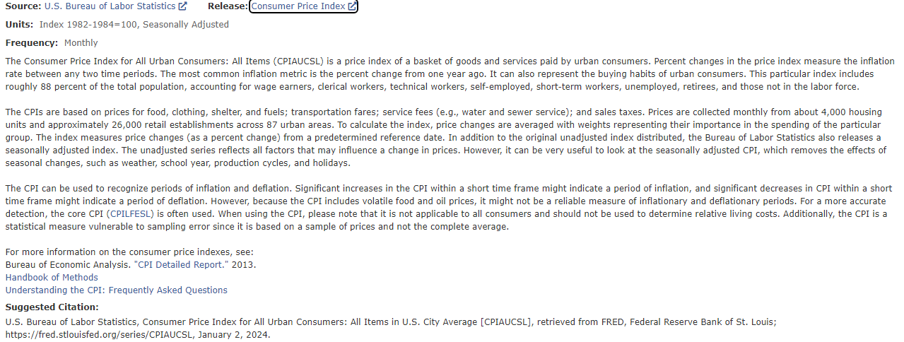
FRED Graph Observations
Federal Reserve Economic Data
Link: https://fred.stlouisfed.org | Consumer Price Index for All Urban Consumers: All Items in U.S. City Average (CPIAUCSL) | FRED | St. Louis Fed (stlouisfed.org)
Help: https://fredhelp.stlouisfed.org
Economic Research Division
Federal Reserve Bank of St. Louis

CPIAUCSL_PCH | Consumer Price Index for All Urban Consumers: All Items in U.S. City Average, Percent Change, Quarterly, Seasonally Adjusted

Frequency: Quarterly
observation_date | CPIAUCSL_PCH
1947-04-01 | 1.4
1947-07-01 | 2.2
1947-10-01 | 2.8
1948-01-01 | 2.1
1948-04-01 | 1.6
1948-07-01 | 1.7
1948-10-01 | -0.9
1949-01-01 | -1.0
1949-04-01 | -0.1
1949-07-01 | -0.8
1949-10-01 | -0.2
1950-01-01 | -0.3
1950-04-01 | 0.8
1950-07-01 | 1.8
1950-10-01 | 2.0
1951-01-01 | 4.1
1951-04-01 | 1.0
1951-07-01 | -0.1
1951-10-01 | 1.5
1952-01-01 | 0.4
1952-04-01 | 0.3
1952-07-01 | 0.7
1952-10-01 | 0.1
1953-01-01 | -0.3
1953-04-01 | 0.4
1953-07-01 | 0.5
1953-10-01 | 0.2
1954-01-01 | 0.2
1954-04-01 | -0.2
1954-07-01 | -0.3
1954-10-01 | -0.3
1955-01-01 | 0.1
1955-04-01 | -0.1
1955-07-01 | 0.1
1955-10-01 | 0.3
1956-01-01 | 0.0
1956-04-01 | 0.7
1956-07-01 | 1.0
1956-10-01 | 0.9
1957-01-01 | 0.8
1957-04-01 | 0.9
1957-07-01 | 0.9
1957-10-01 | 0.5
1958-01-01 | 1.2
1958-04-01 | 0.7
1958-07-01 | -0.1
1958-10-01 | 0.1
1959-01-01 | 0.2
1959-04-01 | 0.2
1959-07-01 | 0.5
1959-10-01 | 0.6
1960-01-01 | 0.1
1960-04-01 | 0.6
1960-07-01 | 0.1
1960-10-01 | 0.6
1961-01-01 | 0.2
1961-04-01 | 0.0
1961-07-01 | 0.4
1961-10-01 | 0.1
1962-01-01 | 0.4
1962-04-01 | 0.4
1962-07-01 | 0.3
1962-10-01 | 0.2
1963-01-01 | 0.3
1963-04-01 | 0.2
1963-07-01 | 0.6
1963-10-01 | 0.3
1964-01-01 | 0.4
1964-04-01 | 0.2
1964-07-01 | 0.2
1964-10-01 | 0.5
1965-01-01 | 0.3
1965-04-01 | 0.6
1965-07-01 | 0.3
1965-10-01 | 0.5
1966-01-01 | 0.9
1966-04-01 | 0.9
1966-07-01 | 0.9
1966-10-01 | 0.8
1967-01-01 | 0.3
1967-04-01 | 0.6
1967-07-01 | 1.0
1967-10-01 | 1.1
1968-01-01 | 1.0
1968-04-01 | 1.0
1968-07-01 | 1.4
1968-10-01 | 1.2
1969-01-01 | 1.2
1969-04-01 | 1.6
1969-07-01 | 1.4
1969-10-01 | 1.5
1970-01-01 | 1.6
1970-04-01 | 1.4
1970-07-01 | 1.0
1970-10-01 | 1.5
1971-01-01 | 0.8
1971-04-01 | 0.9
1971-07-01 | 1.0
1971-10-01 | 0.7
1972-01-01 | 0.8
1972-04-01 | 0.6
1972-07-01 | 0.8
1972-10-01 | 1.0
1973-01-01 | 1.6
1973-04-01 | 2.1
1973-07-01 | 2.0
1973-10-01 | 2.5
1974-01-01 | 3.0
1974-04-01 | 2.7
1974-07-01 | 2.8
1974-10-01 | 3.1
1975-01-01 | 2.1
1975-04-01 | 1.2
1975-07-01 | 2.0
1975-10-01 | 1.8
1976-01-01 | 1.1
1976-04-01 | 0.9
1976-07-01 | 1.6
1976-10-01 | 1.5
1977-01-01 | 1.8
1977-04-01 | 1.7
1977-07-01 | 1.4
1977-10-01 | 1.5
1978-01-01 | 1.7
1978-04-01 | 2.3
1978-07-01 | 2.3
1978-10-01 | 2.3
1979-01-01 | 2.5
1979-04-01 | 3.2
1979-07-01 | 3.2
1979-10-01 | 3.2
1980-01-01 | 3.9
1980-04-01 | 3.4
1980-07-01 | 1.9
1980-10-01 | 2.8
1981-01-01 | 2.8
1981-04-01 | 2.1
1981-07-01 | 2.8
1981-10-01 | 1.6
1982-01-01 | 0.9
1982-04-01 | 1.4
1982-07-01 | 1.7
1982-10-01 | 0.3
1983-01-01 | 0.1
1983-04-01 | 1.2
1983-07-01 | 1.0
1983-10-01 | 1.0
1984-01-01 | 1.4
1984-04-01 | 0.9
1984-07-01 | 0.9
1984-10-01 | 0.9
1985-01-01 | 0.9
1985-04-01 | 0.9
1985-07-01 | 0.6
1985-10-01 | 1.0
1986-01-01 | 0.5
1986-04-01 | -0.5
1986-07-01 | 0.6
1986-10-01 | 0.7
1987-01-01 | 1.2
1987-04-01 | 1.1
1987-07-01 | 1.1
1987-10-01 | 0.9
1988-01-01 | 0.8
1988-04-01 | 1.1
1988-07-01 | 1.2
1988-10-01 | 1.1
1989-01-01 | 1.1
1989-04-01 | 1.6
1989-07-01 | 0.8
1989-10-01 | 1.0
1990-01-01 | 1.7
1990-04-01 | 1.0
1990-07-01 | 1.7
1990-10-01 | 1.7
1991-01-01 | 0.7
1991-04-01 | 0.6
1991-07-01 | 0.8
1991-10-01 | 0.8
1992-01-01 | 0.7
1992-04-01 | 0.8
1992-07-01 | 0.8
1992-10-01 | 0.9
1993-01-01 | 0.7
1993-04-01 | 0.7
1993-07-01 | 0.5
1993-10-01 | 0.8
1994-01-01 | 0.5
1994-04-01 | 0.6
1994-07-01 | 0.9
1994-10-01 | 0.6
1995-01-01 | 0.7
1995-04-01 | 0.8
1995-07-01 | 0.5
1995-10-01 | 0.5
1996-01-01 | 0.9
1996-04-01 | 0.9
1996-07-01 | 0.6
1996-10-01 | 0.9
1997-01-01 | 0.6
1997-04-01 | 0.2
1997-07-01 | 0.5
1997-10-01 | 0.5
1998-01-01 | 0.2
1998-04-01 | 0.3
1998-07-01 | 0.5
1998-10-01 | 0.5
1999-01-01 | 0.4
1999-04-01 | 0.7
1999-07-01 | 0.7
1999-10-01 | 0.7
2000-01-01 | 1.0
2000-04-01 | 0.8
2000-07-01 | 0.9
2000-10-01 | 0.7
2001-01-01 | 1.0
2001-04-01 | 0.7
2001-07-01 | 0.3
2001-10-01 | -0.1
2002-01-01 | 0.3
2002-04-01 | 0.8
2002-07-01 | 0.5
2002-10-01 | 0.6
2003-01-01 | 1.0
2003-04-01 | -0.2
2003-07-01 | 0.7
2003-10-01 | 0.4
2004-01-01 | 0.8
2004-04-01 | 0.8
2004-07-01 | 0.6
2004-10-01 | 1.1
2005-01-01 | 0.5
2005-04-01 | 0.7
2005-07-01 | 1.5
2005-10-01 | 0.9
2006-01-01 | 0.5
2006-04-01 | 0.9
2006-07-01 | 0.9
2006-10-01 | -0.4
2007-01-01 | 1.0
2007-04-01 | 1.1
2007-07-01 | 0.6
2007-10-01 | 1.2
2008-01-01 | 1.1
2008-04-01 | 1.3
2008-07-01 | 1.5
2008-10-01 | -2.3
2009-01-01 | -0.7
2009-04-01 | 0.5
2009-07-01 | 0.9
2009-10-01 | 0.8
2010-01-01 | 0.2
2010-04-01 | 0.0
2010-07-01 | 0.3
2010-10-01 | 0.8
2011-01-01 | 1.1
2011-04-01 | 1.1
2011-07-01 | 0.7
2011-10-01 | 0.4
2012-01-01 | 0.6
2012-04-01 | 0.2
2012-07-01 | 0.5
2012-10-01 | 0.7
2013-01-01 | 0.4
2013-04-01 | -0.1
2013-07-01 | 0.5
2013-10-01 | 0.4
2014-01-01 | 0.6
2014-04-01 | 0.5
2014-07-01 | 0.3
2014-10-01 | -0.2
2015-01-01 | -0.6
2015-04-01 | 0.7
2015-07-01 | 0.4
2015-10-01 | 0.0
2016-01-01 | -0.1
2016-04-01 | 0.8
2016-07-01 | 0.4
2016-10-01 | 0.6
2017-01-01 | 0.7
2017-04-01 | 0.1
2017-07-01 | 0.5
2017-10-01 | 0.8
2018-01-01 | 0.8
2018-04-01 | 0.5
2018-07-01 | 0.4
2018-10-01 | 0.4
2019-01-01 | 0.3
2019-04-01 | 0.7
2019-07-01 | 0.3
2019-10-01 | 0.7
2020-01-01 | 0.4
2020-04-01 | -1.0
2020-07-01 | 1.1
2020-10-01 | 0.7
2021-01-01 | 1.0
2021-04-01 | 1.8
2021-07-01 | 1.6
2021-10-01 | 2.1
2022-01-01 | 2.2
2022-04-01 | 2.3
2022-07-01 | 1.4
2022-10-01 | 1.0
2023-01-01 | 0.9
2023-04-01 | 0.7
2023-07-01 | 0.9
2023-10-01 | #N/A

